S2p Scan
 |  |  |  |  |  |  | Acquisition Parameters : |  |  |  |  | Experiment Descriptions :

 |  |  |  |  |  |  | Parameter |  |  |  |  | Experiment_2\X-Ray004 400um - FG OFF\D P-COOH NoB
 |  |  |  |  |  |  | Total acquisition time | 1 mins 44.8 secs
 |  |  |  |  |  |  | Number of Scans | 16
﻿ |  |  |  |  |  |  | Source Gun Type | Al K Alpha
Axis | Energy | Elements= | 131 |  |  |  | Spot Size | 400 µm
 |  |  |  |  |  |  | Lens Mode | Standard
C:\Users\gwilh\OneDrive - Imperial College London\Documents\MEGAsync\Experiment\24c22_Lin_ShiYang\D P-COOH NoB.DATA\S2p Scan_0.VGD |  |  |  |  |  |  | Analyser Mode | CAE : Pass Energy 35.0 eV
 |  |  |  |  |  |  | Energy Step Size | 0.100 eV
 |  |  |  |  |  |  | Number of Energy Steps | 131

Binding Energy (E) |  |  |  | Fitted envelope | Fitted Peak S2p3 Au-S | Fitted Peak S2p1 Au-S | Fitted Peak S2p3 Au-S-R | Fitted Peak S2p1 Au-S-R | Fitted Peak S2p3 S-S | Fitted Peak S2p1 S-S | Residuals | Backgnd.
eV |  | Counts / s |  | Counts / s | Counts / s | Counts / s | Counts / s | Counts / s | Counts / s | Counts / s | Counts / s (Residuals 4) | Counts / s | Counts / s
170.08 |  | 58570.4 |  | 58570.4 | 0 | 0 | 0 | 0 | 0 | 0 | -6.40E-07 | 58623.9 | 0
169.98 |  | 58594.1 |  | 58594.1 | 0 | 0 | 0 | 0 | 0 | 0 | -1.68E-06 | 58633.3 | 0
169.88 |  | 58707.2 |  | 58707.2 | 0 | 0 | 0 | 0 | 0 | 0 | -4.28E-06 | 58642.6 | 0
169.78 |  | 58659.6 |  | 58659.6 | 0 | 0 | 0 | 0 | 0 | 0 | -1.05E-05 | 58652 | 0
169.68 |  | 58638.4 |  | 58638.4 | 0 | 0 | 0 | 0 | 0 | 0 | -2.49E-05 | 58661.4 | 0
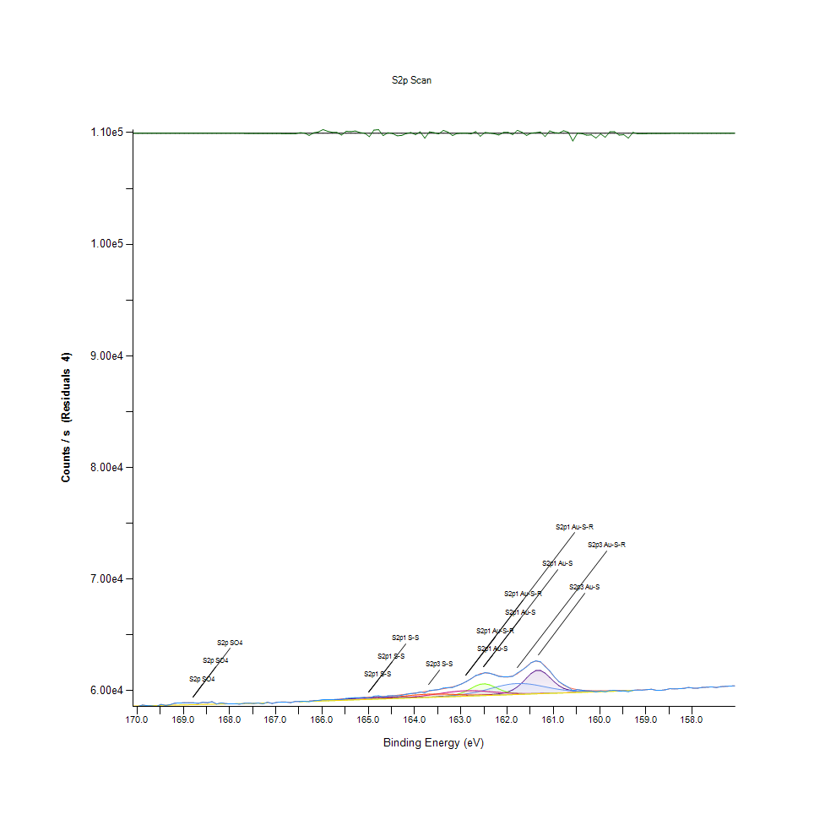
169.58 |  | 58599.7 |  | 58599.7 | 0 | 0 | 0 | 0 | 0 | 0 | -5.72E-05 | 58670.7 | 0
169.48 |  | 58766.7 |  | 58766.7 | 0 | 0 | 0 | 0 | 0 | 0 | -0.000126854 | 58680.1 | 0
169.38 |  | 58679.6 |  | 58679.7 | 0 | 0 | 0 | 0 | 0 | 0 | -0.00027202 | 58689.5 | 0
169.28 |  | 58748.5 |  | 58748.5 | 0 | 0 | 0 | 0 | 0 | 0 | -0.000564088 | 58698.9 | 0
169.18 |  | 58882.7 |  | 58882.7 | 0 | 0 | 0 | 0 | 0 | 0 | -0.00113145 | 58708.2 | 0
169.08 |  | 58896.6 |  | 58896.6 | 0 | 0 | 0 | 0 | 0 | 0 | -0.00219567 | 58717.6 | 0
168.98 |  | 58914.2 |  | 58914.2 | 0 | 0 | 0 | 0 | 0 | 0 | -0.00412349 | 58727 | 0
168.88 |  | 58916.2 |  | 58916.2 | 0 | 0 | 0 | 0 | 0 | 0 | -0.00749652 | 58736.3 | 0
168.78 |  | 58911.2 |  | 58911.3 | 0 | 0 | 0 | 0 | 0 | 0 | -0.0131979 | 58745.7 | 0
168.68 |  | 58861.2 |  | 58861.2 | 0 | 0 | 0 | 0 | 0 | 0 | -0.0225099 | 58755.1 | 0
168.58 |  | 58955.7 |  | 58955.8 | 0 | 0 | 0 | 0 | 0 | 0 | -0.0372107 | 58764.4 | 0
168.48 |  | 58919.5 |  | 58919.5 | 0 | 0 | 0 | 0 | 0 | 0 | -0.0596515 | 58773.8 | 0
168.38 |  | 59011.6 |  | 59011.7 | 0 | 0 | 0 | 0 | 0 | 0 | -0.0927903 | 58783.2 | 0
168.28 |  | 58808.4 |  | 58808.6 | 0 | 0 | 0 | 0 | 0 | 0 | -0.140161 | 58792.6 | 0
168.18 |  | 58905 |  | 58905.2 | 0 | 0 | 0 | 0 | 0 | 0 | -0.205762 | 58801.9 | 0
168.08 |  | 58832.7 |  | 58833 | 0 | 0 | 0 | 0 | 0 | 0 | -0.293865 | 58811.3 | 0
167.98 |  | 58819.9 |  | 58820.3 | 0 | 0 | 0 | 0 | 0 | 0 | -0.408779 | 58820.7 | 0
167.88 |  | 58827 |  | 58827.6 | 0 | 0 | 0 | 0 | 0 | 0 | -0.554618 | 58830 | 0
167.78 |  | 58800.4 |  | 58801.1 | 0 | 0 | 0 | 0 | 0 | 0 | -0.735162 | 58839.4 | 0
167.68 |  | 58868.3 |  | 58869.2 | 0 | 0 | 0 | 0 | 0 | 0 | -0.95391 | 58848.8 | 0
167.58 |  | 58880 |  | 58881.2 | 0 | 0 | 0 | 0 | 0 | 0 | -1.21443 | 58858.1 | 0
167.48 |  | 58852.2 |  | 58853.7 | 0 | 0 | 0 | 0 | 0 | 0 | -1.52112 | 58867.5 | 0
167.38 |  | 58893 |  | 58894.9 | 0 | 0 | 0 | 0 | 0 | 0 | -1.88037 | 58876.9 | 0
167.28 |  | 58817 |  | 58819.3 | 0 | 0 | 0 | 0 | 0 | 0 | -2.30235 | 58886.3 | 0
167.18 |  | 58961.6 |  | 58964.4 | 0 | 0 | 0 | 0 | 0 | 0 | -2.80331 | 58895.6 | 0
167.08 |  | 58851.1 |  | 58854.5 | 0 | 0 | 0 | 0 | 0 | 0 | -3.40852 | 0 | 0
166.98 |  | 58955.5 |  | 58959.6 | 0 | 0 | 0 | 0 | 0 | 0 | -4.156 | 0 | 0
166.88 |  | 58982.5 |  | 58987.6 | 0 | 0 | 0 | 0 | 0 | 0 | -5.10101 | 0 | 0
166.78 |  | 58973.5 |  | 58979.8 | 0 | 0 | 0 | 0 | 0 | 0 | -6.32136 | 0 | 0
166.68 |  | 58927.8 |  | 58935.7 | 0 | 0 | 0 | 0 | 0 | 0 | -7.92308 | 0 | 0
166.58 |  | 59026.8 |  | 59036.9 | 0 | 0 | 0 | 0 | 0 | 0 | -10.0459 | 0 | 0
166.48 |  | 59034.8 |  | 59022.4 | 59009.5 | 59009.5 | 59009.5 | 59009.7 | 59011 | 59020.8 | 12.3736 | 59009.5 | 0
166.38 |  | 59045.5 |  | 59039.9 | 59023.3 | 59023.3 | 59023.3 | 59023.5 | 59025.2 | 59037.8 | 5.57451 | 59023.3 | 0
166.28 |  | 59012.8 |  | 59058.6 | 59037.1 | 59037.1 | 59037.1 | 59037.5 | 59039.5 | 59055.9 | -45.8684 | 59037.1 | 0
166.18 |  | 59089.6 |  | 59078.7 | 59050.9 | 59050.9 | 59050.9 | 59051.4 | 59053.9 | 59075.3 | 10.8174 | 59050.9 | 0
166.08 |  | 59130.1 |  | 59100.5 | 59064.7 | 59064.7 | 59064.7 | 59065.4 | 59068.4 | 59096.1 | 29.5743 | 59064.7 | 0
165.98 |  | 59204.7 |  | 59124.2 | 59078.5 | 59078.5 | 59078.6 | 59079.5 | 59083 | 59118.7 | 80.5258 | 59078.5 | 0
165.88 |  | 59192 |  | 59149.8 | 59092.3 | 59092.3 | 59092.4 | 59093.7 | 59097.7 | 59143 | 42.2682 | 59092.3 | 0
165.78 |  | 59197.9 |  | 59177.3 | 59106.2 | 59106.2 | 59106.2 | 59108 | 59112.6 | 59168.9 | 20.6726 | 59106.2 | 0
165.68 |  | 59223.8 |  | 59206.5 | 59120 | 59120 | 59120 | 59122.4 | 59127.7 | 59196.2 | 17.3114 | 59120 | 0
165.58 |  | 59198.6 |  | 59236.9 | 59133.8 | 59133.8 | 59133.8 | 59137 | 59143.1 | 59224.3 | -38.3016 | 59133.8 | 0
165.48 |  | 59310.6 |  | 59268.1 | 59147.6 | 59147.6 | 59147.7 | 59151.6 | 59159 | 59252.4 | 42.5789 | 59147.6 | 0
165.38 |  | 59334.8 |  | 59299.2 | 59161.4 | 59161.4 | 59161.6 | 59166.4 | 59175.5 | 59279.8 | 35.5614 | 59161.4 | 0
165.28 |  | 59379 |  | 59329.7 | 59175.2 | 59175.2 | 59175.5 | 59181.4 | 59192.9 | 59305.3 | 49.374 | 59175.2 | 0
165.18 |  | 59373.1 |  | 59358.8 | 59189 | 59189 | 59189.5 | 59196.5 | 59211.5 | 59328.2 | 14.2133 | 59189 | 0
165.08 |  | 59388.8 |  | 59386.5 | 59202.8 | 59202.8 | 59203.7 | 59211.9 | 59231.8 | 59347.5 | 2.28053 | 59202.8 | 0
164.98 |  | 59339.6 |  | 59412.6 | 59216.6 | 59216.6 | 59217.9 | 59227.5 | 59254.1 | 59362.9 | -73.0551 | 59216.6 | 0
164.88 |  | 59506.9 |  | 59437.8 | 59230.4 | 59230.4 | 59232.2 | 59243.5 | 59279 | 59374.1 | 69.134 | 59230.4 | 0
164.78 |  | 59541.2 |  | 59462.8 | 59244.2 | 59244.3 | 59246.8 | 59260 | 59307 | 59381.5 | 78.3429 | 59244.2 | 0
164.68 |  | 59438.4 |  | 59489.1 | 59258 | 59258.4 | 59261.5 | 59277.4 | 59338.3 | 59385.5 | -50.6426 | 59258 | 0
164.58 |  | 59528.3 |  | 59517.9 | 59271.8 | 59272.8 | 59276.5 | 59295.8 | 59373.1 | 59387 | 10.3441 | 59271.8 | 0
164.48 |  | 59548.6 |  | 59550.8 | 59285.6 | 59287.8 | 59291.7 | 59315.7 | 59411.1 | 59387 | -2.25737 | 59285.6 | 0
164.38 |  | 59534.4 |  | 59588.8 | 59299.4 | 59303.4 | 59307.1 | 59337.7 | 59451.9 | 59386.4 | -54.4169 | 59299.4 | 0
164.28 |  | 59584.7 |  | 59632.4 | 59313.2 | 59319.6 | 59322.9 | 59362.5 | 59494.2 | 59386 | -47.6907 | 59313.2 | 0
164.18 |  | 59678 |  | 59681.4 | 59327 | 59336.2 | 59338.9 | 59390.9 | 59536.8 | 59386.6 | -3.35007 | 59327 | 0
164.08 |  | 59751.9 |  | 59735 | 59340.8 | 59353.1 | 59355.3 | 59423.5 | 59577.6 | 59388.7 | 16.9239 | 59340.8 | 0
163.98 |  | 59763.5 |  | 59792.3 | 59354.6 | 59370 | 59372 | 59461.3 | 59614.9 | 59392.4 | -28.842 | 59354.6 | 0
163.88 |  | 59884.4 |  | 59852.3 | 59368.4 | 59387.1 | 59389.3 | 59504.8 | 59646.8 | 59397.9 | 32.0806 | 59368.4 | 0
163.78 |  | 59808.2 |  | 59914.1 | 59382.2 | 59404.7 | 59407.4 | 59554.1 | 59671.7 | 59405.1 | -105.891 | 59382.2 | 0
163.68 |  | 60008.6 |  | 59976.8 | 59396.1 | 59423.3 | 59426.4 | 59608.9 | 59688.6 | 59413.6 | 31.8226 | 59396 | 0
163.58 |  | 60053.8 |  | 60040.2 | 59410.2 | 59443.5 | 59446.8 | 59668.1 | 59697.3 | 59423.4 | 13.6473 | 59409.8 | 0
163.48 |  | 60091.9 |  | 60104.7 | 59424.6 | 59466.6 | 59469.2 | 59730 | 59698.2 | 59434.2 | -12.8775 | 59423.6 | 0
163.38 |  | 60232.8 |  | 60172.2 | 59439.8 | 59494.8 | 59494.5 | 59791.9 | 59692.4 | 59445.8 | 60.6704 | 59437.4 | 0
163.28 |  | 60273.2 |  | 60246.7 | 59456.2 | 59532.4 | 59523.7 | 59851 | 59681.7 | 59457.9 | 26.4991 | 59451.2 | 0
163.18 |  | 60287.5 |  | 60336.2 | 59473.8 | 59587.3 | 59558.1 | 59903.9 | 59667.8 | 59470.5 | -48.7228 | 59465 | 0
163.08 |  | 60451.6 |  | 60453.2 | 59492.7 | 59672 | 59599.2 | 59947.5 | 59652.8 | 59483.3 | -1.6075 | 59478.8 | 0
162.98 |  | 60613.3 |  | 60612.7 | 59512.3 | 59801.1 | 59648.7 | 59979.3 | 59638.3 | 59496.3 | 0.544154 | 59492.6 | 0
162.88 |  | 60827.2 |  | 60823.5 | 59532.2 | 59982.6 | 59708 | 59997.7 | 59625.7 | 59509.5 | 3.72476 | 59506.4 | 0
162.78 |  | 61062.4 |  | 61074.6 | 59552.3 | 60204 | 59778.5 | 60002.2 | 59616 | 59522.8 | -12.1949 | 59520.3 | 0
162.68 |  | 61362.4 |  | 61325.6 | 59572.8 | 60422.7 | 59860.7 | 59993.8 | 59609.7 | 59536.2 | 36.7203 | 59534.1 | 0
162.58 |  | 61452.4 |  | 61516.4 | 59594.5 | 60576.3 | 59954.1 | 59974.3 | 59606.9 | 59549.6 | -64.0069 | 59547.9 | 0
162.48 |  | 61615 |  | 61596.8 | 59618.4 | 60612.9 | 60056.9 | 59946.5 | 59607.3 | 59563.1 | 18.2007 | 59561.7 | 0
162.38 |  | 61565.3 |  | 61559.1 | 59646 | 60523.5 | 60166 | 59913.7 | 59610.7 | 59576.6 | 6.1354 | 59575.5 | 0
162.28 |  | 61434 |  | 61443.6 | 59679.9 | 60347.7 | 60276.6 | 59879 | 59616.5 | 59590.2 | -9.61789 | 59589.3 | 0
162.18 |  | 61277.8 |  | 61314.8 | 59725.2 | 60148.6 | 60382.8 | 59845.5 | 59624.3 | 59603.8 | -36.9923 | 59603.1 | 0
162.08 |  | 61247.4 |  | 61229.7 | 59791.7 | 59977.9 | 60478.2 | 59815.2 | 59633.6 | 59617.4 | 17.6863 | 59616.9 | 0
161.98 |  | 61245.4 |  | 61223.3 | 59897.1 | 59858.3 | 60556.4 | 59789.8 | 59644.1 | 59631.1 | 22.1234 | 59630.7 | 0
161.88 |  | 61286.8 |  | 61314.7 | 60067.6 | 59787.3 | 60611.9 | 59770.1 | 59655.3 | 59644.8 | -27.8154 | 59644.5 | 0
161.78 |  | 61577.5 |  | 61514.8 | 60331.9 | 59751.3 | 60641.1 | 59756.2 | 59667.2 | 59658.5 | 62.7216 | 59658.3 | 0
161.68 |  | 61841.8 |  | 61818.5 | 60700.4 | 59736.4 | 60642.7 | 59747.8 | 59679.5 | 59672.2 | 23.2567 | 59672.1 | 0
161.58 |  | 62133.3 |  | 62180.6 | 61137 | 59733.2 | 60617.6 | 59744.3 | 59692 | 59686 | -47.3832 | 59685.9 | 0
161.48 |  | 62507.8 |  | 62502.5 | 61545.9 | 59736.2 | 60569.4 | 59744.9 | 59704.8 | 59699.7 | 5.29038 | 59699.7 | 0
161.38 |  | 62671.2 |  | 62659.1 | 61800.5 | 59742.8 | 60503.3 | 59748.7 | 59717.7 | 59713.5 | 12.0734 | 59713.5 | 0
161.28 |  | 62592.3 |  | 62563.1 | 61809.6 | 59751.3 | 60425.5 | 59755.1 | 59730.8 | 59727.3 | 29.1969 | 59727.3 | 0
161.18 |  | 62150.3 |  | 62221.6 | 61574.9 | 59761 | 60342.7 | 59763.4 | 59743.9 | 59741.1 | -71.3065 | 59741.1 | 0
161.08 |  | 61784.4 |  | 61733.1 | 61190.4 | 59771.4 | 60260.8 | 59773 | 59757.2 | 59754.9 | 51.2484 | 59754.9 | 0
160.98 |  | 61242.4 |  | 61228.5 | 60782.6 | 59782.1 | 60184.6 | 59783.6 | 59770.5 | 59768.7 | 13.8893 | 59768.7 | 0
160.88 |  | 60809.6 |  | 60804.3 | 60445.2 | 59792.8 | 60117.7 | 59794.8 | 59783.9 | 59782.5 | 5.26575 | 59782.5 | 0
160.78 |  | 60550.6 |  | 60496.4 | 60212.3 | 59803.7 | 60061.8 | 59806.6 | 59797.3 | 59796.3 | 54.178 | 59796.3 | 0
160.68 |  | 60316.7 |  | 60293.7 | 60072.2 | 59814.9 | 60017.6 | 59818.7 | 59810.9 | 59810.1 | 22.9837 | 59810.1 | 0
160.58 |  | 60001.2 |  | 60167.4 | 59996.3 | 59826.6 | 59984.6 | 59831 | 59824.5 | 59823.9 | -166.146 | 59823.9 | 0
160.48 |  | 60092.4 |  | 60090 | 59958.4 | 59839.1 | 59961.7 | 59843.5 | 59838.1 | 59837.7 | 2.4348 | 59837.7 | 0
160.38 |  | 60034.9 |  | 60042.6 | 59941.3 | 59852.1 | 59947.3 | 59856.2 | 59851.8 | 59851.5 | -7.69988 | 59851.5 | 0
160.28 |  | 59972.8 |  | 60013.9 | 59935.2 | 59865.6 | 59939.9 | 59869.1 | 59865.5 | 59865.3 | -41.1158 | 59865.3 | 0
160.18 |  | 59963.7 |  | 59997.2 | 59935.4 | 59879.2 | 59937.8 | 59882.1 | 59879.2 | 59879.1 | -33.4892 | 59879.1 | 0
160.08 |  | 59887 |  | 59988.4 | 59939.3 | 59893 | 59939.7 | 59895.2 | 59893 | 59892.9 | -101.374 | 59892.9 | 0
159.98 |  | 59971.6 |  | 59984.8 | 59945.2 | 59906.7 | 59944.6 | 59908.4 | 59906.8 | 59906.7 | -13.2159 | 59906.7 | 0
159.88 |  | 59898.8 |  | 59984.6 | 59952.3 | 59920.5 | 59951.6 | 59921.8 | 59920.6 | 59920.5 | -85.8076 | 59920.5 | 0
159.78 |  | 60018.4 |  | 59986.4 | 59959.9 | 59934.4 | 59960 | 59935.2 | 59934.4 | 59934.4 | 32.0212 | 59934.4 | 0
159.68 |  | 60025.3 |  | 59989.5 | 59967.6 | 59948.2 | 59969.5 | 59948.8 | 59948.2 | 59948.2 | 35.7558 | 59948.2 | 0
159.58 |  | 59954.7 |  | 59993.8 | 59975.6 | 59962 | 59979.8 | 59962.4 | 59962 | 59962 | -39.1137 | 59962 | 0
159.48 |  | 59969.5 |  | 59999.4 | 59984.4 | 59975.8 | 59990.5 | 59976 | 59975.8 | 59975.8 | -29.9267 | 59975.8 | 0
159.38 |  | 59902.7 |  | 60006.7 | 59994.4 | 59989.6 | 60001.7 | 59989.7 | 59989.6 | 59989.6 | -103.986 | 59989.6 | 0
159.28 |  | 60034.4 |  | 60015.7 | 60005.7 | 60003.4 | 60013.3 | 60003.5 | 60003.4 | 60003.4 | 18.7049 | 60003.4 | 0
159.18 |  | 60060.5 |  | 60069.5 | 0 | 0 | 0 | 0 | 0 | 0 | -8.97723 | 0 | 0
159.08 |  | 60049.7 |  | 60056.4 | 0 | 0 | 0 | 0 | 0 | 0 | -6.63467 | 0 | 0
158.98 |  | 60089.8 |  | 60094.7 | 0 | 0 | 0 | 0 | 0 | 0 | -4.94857 | 0 | 0
158.88 |  | 60126.3 |  | 60130 | 0 | 0 | 0 | 0 | 0 | 0 | -3.67773 | 0 | 0
158.78 |  | 60033 |  | 60035.7 | 0 | 0 | 0 | 0 | 0 | 0 | -2.69343 | 0 | 0
158.68 |  | 60026.7 |  | 60028.6 | 0 | 0 | 0 | 0 | 0 | 0 | -1.93034 | 0 | 0
158.58 |  | 60078 |  | 60079.4 | 0 | 0 | 0 | 0 | 0 | 0 | -1.34881 | 0 | 0
158.48 |  | 60176.2 |  | 60177.1 | 0 | 0 | 0 | 0 | 0 | 0 | -0.917056 | 0 | 0
158.38 |  | 60152.8 |  | 60153.4 | 0 | 0 | 0 | 0 | 0 | 0 | -0.60596 | 0 | 0
158.28 |  | 60177.9 |  | 60178.3 | 0 | 0 | 0 | 0 | 0 | 0 | -0.388786 | 0 | 0
158.18 |  | 60203.1 |  | 60203.4 | 0 | 0 | 0 | 0 | 0 | 0 | -0.242037 | 0 | 0
158.08 |  | 60287.6 |  | 60287.7 | 0 | 0 | 0 | 0 | 0 | 0 | -0.146115 | 0 | 0
157.98 |  | 60231.1 |  | 60231.2 | 0 | 0 | 0 | 0 | 0 | 0 | -0.0854905 | 0 | 0
157.88 |  | 60226.8 |  | 60226.9 | 0 | 0 | 0 | 0 | 0 | 0 | -0.0484567 | 0 | 0
157.78 |  | 60291.8 |  | 60291.8 | 0 | 0 | 0 | 0 | 0 | 0 | -0.0265967 | 0 | 0
157.68 |  | 60309.8 |  | 60309.8 | 0 | 0 | 0 | 0 | 0 | 0 | -0.0141316 | 0 | 0
157.58 |  | 60338.4 |  | 60338.4 | 0 | 0 | 0 | 0 | 0 | 0 | -0.00726625 | 0 | 0
157.48 |  | 60281.2 |  | 60281.2 | 0 | 0 | 0 | 0 | 0 | 0 | -0.00361467 | 0 | 0
157.38 |  | 60355.4 |  | 60355.4 | 0 | 0 | 0 | 0 | 0 | 0 | -0.00173925 | 0 | 0
157.28 |  | 60383.9 |  | 60383.9 | 0 | 0 | 0 | 0 | 0 | 0 | -0.000809283 | 0 | 0
157.18 |  | 60409.1 |  | 60409.1 | 0 | 0 | 0 | 0 | 0 | 0 | -0.000364084 | 0 | 0
157.08 |  | 60434.9 |  | 60434.9 | 0 | 0 | 0 | 0 | 0 | 0 | -0.000158341 | 0 | 0

O1s Scan
 |  |  |  |  |  |  | Acquisition Parameters : |  |  | Experiment Descriptions :

 |  |  |  |  |  |  | Parameter |  |  | Experiment_2\X-Ray004 400um - FG OFF\D P-COOH NoB
 |  |  |  |  |  |  | Total acquisition time | 18.2 secs
 |  |  |  |  |  |  | Number of Scans | 3
﻿ |  |  |  |  |  |  | Source Gun Type | Al K Alpha
Axis | Energy | Elements= | 121 |  |  |  | Spot Size | 400 µm
 |  |  |  |  |  |  | Lens Mode | Standard
C:\Users\gwilh\OneDrive - Imperial College London\Documents\MEGAsync\Experiment\24c22_Lin_ShiYang\D P-COOH NoB.DATA\O1s Scan_0.VGD |  |  |  |  |  |  | Analyser Mode | CAE : Pass Energy 35.0 eV
 |  |  |  |  |  |  | Energy Step Size | 0.100 eV
 |  |  |  |  |  |  | Number of Energy Steps | 121

Binding Energy (E) |  |  |  | Fitted envelope | Fitted Peak O1s C=O | Fitted Peak O1s H-O-C, SO4, NOx | Fitted Peak O1s O-C=O, O-H | Residuals | Backgnd.
eV |  | Counts / s |  | Counts / s | Counts / s | Counts / s | Counts / s | Counts / s (Residuals 9) | Counts / s
537.08 |  | 79352.4 |  | 79365 | 0 | 0 | 0 | -12.595 | 0
536.98 |  | 79404.1 |  | 79421.8 | 0 | 0 | 0 | -17.7011 | 0
536.88 |  | 79586.9 |  | 79611.2 | 0 | 0 | 0 | -24.3184 | 0
536.78 |  | 79348.6 |  | 79381.3 | 0 | 0 | 0 | -32.6958 | 0
536.68 |  | 79341.3 |  | 79384.4 | 0 | 0 | 0 | -43.0774 | 0
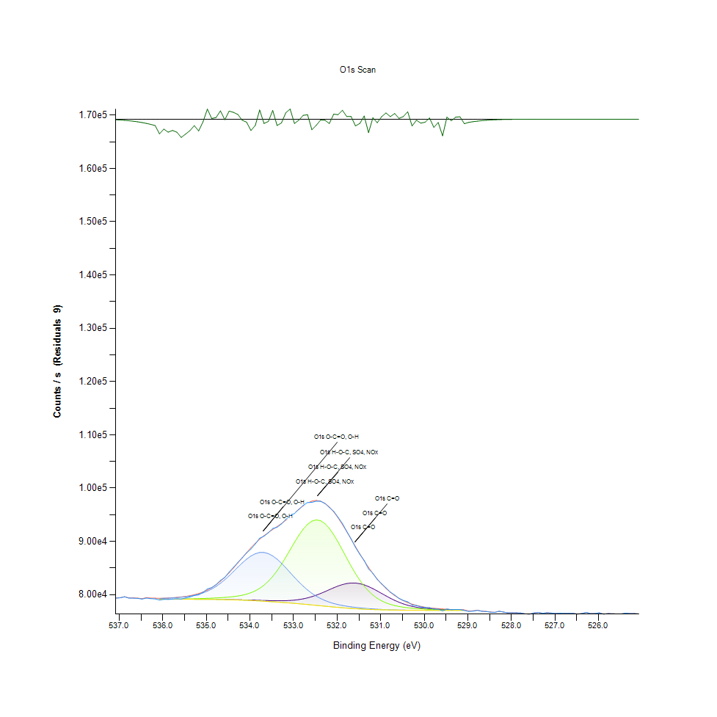
536.58 |  | 79294.4 |  | 79350.1 | 0 | 0 | 0 | -55.7037 | 0
536.48 |  | 79164.1 |  | 79235 | 0 | 0 | 0 | -70.8244 | 0
536.38 |  | 79355.3 |  | 79444.1 | 0 | 0 | 0 | -88.7273 | 0
536.28 |  | 79242.4 |  | 79352.1 | 0 | 0 | 0 | -109.786 | 0
536.18 |  | 79208.7 |  | 79343.2 | 0 | 0 | 0 | -134.532 | 0
536.08 |  | 78982.4 |  | 79292.4 | 79128.7 | 79136.9 | 79284.1 | -309.962 | 79128.6
535.98 |  | 79116.5 |  | 79326.7 | 79128.2 | 79140.5 | 79314.3 | -210.235 | 79128.1
535.88 |  | 79093.2 |  | 79368.4 | 79127.7 | 79145.7 | 79350.2 | -275.124 | 79127.6
535.78 |  | 79181.5 |  | 79419.7 | 79127.2 | 79152.8 | 79393.8 | -238.236 | 79127.1
535.68 |  | 79207.9 |  | 79484 | 79126.7 | 79162.2 | 79448 | -276.092 | 79126.4
535.58 |  | 79179.4 |  | 79565.7 | 79126 | 79174.1 | 79516.7 | -386.287 | 79125.5
535.48 |  | 79354.1 |  | 79670.5 | 79125.1 | 79188.8 | 79605.2 | -316.401 | 79124.3
535.38 |  | 79564.2 |  | 79805.9 | 79123.7 | 79206.5 | 79720.6 | -241.677 | 79122.5
535.28 |  | 79844.6 |  | 79981 | 79122 | 79227.4 | 79871.7 | -136.422 | 79120
535.18 |  | 79957.7 |  | 80206.5 | 79119.5 | 79251.4 | 80068.7 | -248.787 | 79116.6
535.08 |  | 80438.5 |  | 80494.1 | 79116.1 | 79278.5 | 80322.9 | -55.6327 | 79111.7
534.98 |  | 81070.5 |  | 80856.7 | 79111.7 | 79309.1 | 80646.7 | 213.804 | 79105.4
534.88 |  | 81320.8 |  | 81306 | 79106.2 | 79343.7 | 81050.8 | 14.837 | 79097.4
534.78 |  | 81886.6 |  | 81851.1 | 79099.3 | 79382.9 | 81543.2 | 35.51 | 79087.1
534.68 |  | 82674.4 |  | 82497.4 | 79091 | 79428.3 | 82127.3 | 176.988 | 79074.6
534.58 |  | 83232.2 |  | 83243.9 | 79081 | 79482.7 | 82799 | -11.6748 | 79059.4
534.48 |  | 84253.2 |  | 84081.3 | 79069 | 79549.5 | 83545 | 171.945 | 79041.1
534.38 |  | 85136.9 |  | 84992.3 | 79054.7 | 79634.4 | 84341.7 | 144.62 | 79019.3
534.28 |  | 86051.5 |  | 85951.7 | 79038.1 | 79745.7 | 85155.8 | 99.7608 | 78994
534.18 |  | 86905.4 |  | 86928.2 | 79019.2 | 79894 | 85944.7 | -22.8017 | 78964.8
534.08 |  | 87825.9 |  | 87888.3 | 78998.2 | 80093.3 | 86661 | -62.4332 | 78932.1
533.98 |  | 88561.4 |  | 88800.5 | 78975.3 | 80360.8 | 87255.8 | -239.025 | 78895.7
533.88 |  | 89508.3 |  | 89640.2 | 78950.9 | 80715.8 | 87684.4 | -131.898 | 78855.5
533.78 |  | 90590 |  | 90394.7 | 78925.9 | 81180 | 87912.4 | 195.244 | 78811.8
533.68 |  | 90975.2 |  | 91065.3 | 78901.6 | 81774.5 | 87919.1 | -90.172 | 78764.9
533.58 |  | 91619.8 |  | 91667.1 | 78879.3 | 82517.2 | 87700.1 | -47.2838 | 78714.7
533.48 |  | 92413.9 |  | 92227.2 | 78861.6 | 83419.9 | 87269.2 | 186.719 | 78661.8
533.38 |  | 92644.4 |  | 92778.1 | 78851.8 | 84483.9 | 86655.4 | -133.734 | 78606.4
533.28 |  | 93270.8 |  | 93350.4 | 78853 | 85695.4 | 85898.8 | -79.6192 | 78548.4
533.18 |  | 94101.8 |  | 93965.4 | 78869.8 | 87023.8 | 85046.8 | 136.391 | 78487.5
533.08 |  | 94844.6 |  | 94628.8 | 78907.8 | 88420.5 | 84148.6 | 215.863 | 78424.1
532.98 |  | 95235.1 |  | 95325.5 | 78972.9 | 89819 | 83248.9 | -90.3248 | 78357.7
532.88 |  | 96000.4 |  | 96020.6 | 79071.3 | 91140.2 | 82385.6 | -20.1442 | 78288.3
532.78 |  | 96744.2 |  | 96663 | 79209.2 | 92298.6 | 81587.1 | 81.219 | 78216
532.68 |  | 97287.3 |  | 97192.3 | 79392 | 93211.4 | 80871.7 | 95.0511 | 78141.4
532.58 |  | 97323.7 |  | 97547.2 | 79622 | 93807.3 | 80247.4 | -223.556 | 78064.7
532.48 |  | 97546.2 |  | 97675.9 | 79898.5 | 94035.9 | 79714.4 | -129.646 | 77986.5
532.38 |  | 97525.5 |  | 97543 | 80216.5 | 93874.4 | 79267.5 | -17.5163 | 77907.7
532.28 |  | 97111.7 |  | 97134.6 | 80565.6 | 93330.1 | 78897.5 | -22.8636 | 77829.3
532.18 |  | 96366.8 |  | 96458.3 | 80929.6 | 92439.7 | 78593.2 | -91.5421 | 77752
532.08 |  | 95649.2 |  | 95542.3 | 81287.9 | 91264.8 | 78343.4 | 106.908 | 77676.9
531.98 |  | 94524.8 |  | 94429.1 | 81616.8 | 89884 | 78138 | 95.7162 | 77604.8
531.88 |  | 93359.1 |  | 93169.5 | 81891.4 | 88383.7 | 77968 | 189.569 | 77536.8
531.78 |  | 91872.4 |  | 91816 | 82088.2 | 86848.3 | 77826 | 56.4459 | 77473.2
531.68 |  | 90474.4 |  | 90418 | 82188.8 | 85352.6 | 77706.4 | 56.4975 | 77414.9
531.58 |  | 88876.2 |  | 89017.8 | 82181.1 | 83956.1 | 77604.7 | -141.648 | 77362.1
531.48 |  | 87560.2 |  | 87649.8 | 82061.7 | 82699.9 | 77517.4 | -89.593 | 77314.7
531.38 |  | 86408 |  | 86340.1 | 81836.2 | 81607.1 | 77442.3 | 67.8665 | 77272.8
531.28 |  | 84822.7 |  | 85107.7 | 81518.2 | 80684.2 | 77377.2 | -285 | 77236
531.18 |  | 83998.4 |  | 83966 | 81127.9 | 79925.1 | 77320.8 | 32.3804 | 77203.9
531.08 |  | 82848.6 |  | 82923.9 | 80689.5 | 79314.8 | 77271.9 | -75.2243 | 77176.2
530.98 |  | 82040.2 |  | 81986.8 | 80228.5 | 78833.5 | 77230 | 53.4099 | 77152.6
530.88 |  | 81289.1 |  | 81156.9 | 79768.4 | 78459.2 | 77194 | 132.186 | 77132.3
530.78 |  | 80488.3 |  | 80433.5 | 79329.7 | 78170.9 | 77163.6 | 54.7587 | 77115.3
530.68 |  | 79933.4 |  | 79813.1 | 78927.6 | 77949.6 | 77138.2 | 120.36 | 77101.1
530.58 |  | 79306.5 |  | 79289.5 | 78571.8 | 77779.2 | 77117.3 | 16.9768 | 77089.4
530.48 |  | 78911 |  | 78854.4 | 78266.8 | 77646.8 | 77100.4 | 56.6095 | 77079.8
530.38 |  | 78655.9 |  | 78498 | 78013 | 77542.3 | 77086.9 | 157.912 | 77072.1
530.28 |  | 78066.1 |  | 78209.6 | 77806.9 | 77458.3 | 77076.4 | -143.503 | 77066
530.18 |  | 77955.8 |  | 77978.3 | 77643.1 | 77389.2 | 77068.3 | -22.5615 | 77061.1
530.08 |  | 77710.3 |  | 77794.1 | 77515.3 | 77331.3 | 77062.1 | -83.7281 | 77057.3
529.98 |  | 77584.6 |  | 77647.7 | 77416.9 | 77282 | 77057.5 | -63.0481 | 77054.4
529.88 |  | 77557.5 |  | 77531.2 | 77341.7 | 77239.6 | 77054.1 | 26.3056 | 77052.1
529.78 |  | 77264.9 |  | 77438.2 | 77284.2 | 77203.1 | 77051.6 | -173.261 | 77050.4
529.68 |  | 77293.2 |  | 77363.6 | 77240.2 | 77171.9 | 77050 | -70.4314 | 77049.2
529.58 |  | 76951.6 |  | 77303.3 | 77205.9 | 77145.3 | 77048.7 | -351.74 | 77048.3
529.48 |  | 77297.5 |  | 77254.3 | 77178.7 | 77123 | 77047.9 | 43.1469 | 77047.7
529.38 |  | 77181.3 |  | 77214.1 | 77156.6 | 77104.5 | 77047.2 | -32.743 | 77047.1
529.28 |  | 77223.4 |  | 77181 | 77138.1 | 77089.4 | 77046.7 | 42.4249 | 77046.6
529.18 |  | 77204.6 |  | 77153.4 | 77122.2 | 77077.1 | 77045.9 | 51.2125 | 77045.8
529.08 |  | 77035.8 |  | 77130.7 | 77108.4 | 77067.4 | 77045.2 | -94.8674 | 77045.2
528.98 |  | 76855 |  | 76922.4 | 0 | 0 | 0 | -67.3606 | 0
528.88 |  | 76907.1 |  | 76959.6 | 0 | 0 | 0 | -52.5456 | 0
528.78 |  | 77052.8 |  | 77093.3 | 0 | 0 | 0 | -40.5163 | 0
528.68 |  | 76873.3 |  | 76904.1 | 0 | 0 | 0 | -30.8319 | 0
528.58 |  | 76829.6 |  | 76852.7 | 0 | 0 | 0 | -23.1185 | 0
528.48 |  | 76716.7 |  | 76733.7 | 0 | 0 | 0 | -17.054 | 0
528.38 |  | 76670.6 |  | 76682.9 | 0 | 0 | 0 | -12.3579 | 0
528.28 |  | 76881.2 |  | 76890 | 0 | 0 | 0 | -8.7841 | 0
528.18 |  | 76721.6 |  | 76727.7 | 0 | 0 | 0 | -6.11652 | 0
528.08 |  | 76573.7 |  | 76577.9 | 0 | 0 | 0 | -4.16721 | 0
527.98 |  | 76573.6 |  | 76576.4 | 0 | 0 | 0 | -2.77491 | 0
527.88 |  | 76580.6 |  | 76582.4 | 0 | 0 | 0 | -1.80426 | 0
527.78 |  | 76552 |  | 76553.2 | 0 | 0 | 0 | -1.14454 | 0
527.68 |  | 76389.7 |  | 76390.4 | 0 | 0 | 0 | -0.707822 | 0
527.58 |  | 76348.6 |  | 76349 | 0 | 0 | 0 | -0.426487 | 0
527.48 |  | 76562.9 |  | 76563.2 | 0 | 0 | 0 | -0.250228 | 0
527.38 |  | 76650.3 |  | 76650.5 | 0 | 0 | 0 | -0.142892 | 0
527.28 |  | 76501.2 |  | 76501.3 | 0 | 0 | 0 | -0.0793869 | 0
527.18 |  | 76600 |  | 76600.1 | 0 | 0 | 0 | -0.0428945 | 0
527.08 |  | 76543.4 |  | 76543.4 | 0 | 0 | 0 | -0.0225339 | 0
526.98 |  | 76460.4 |  | 76460.4 | 0 | 0 | 0 | -0.0115063 | 0
526.88 |  | 76519.8 |  | 76519.8 | 0 | 0 | 0 | -0.00570959 | 0
526.78 |  | 76484.7 |  | 76484.7 | 0 | 0 | 0 | -0.00275266 | 0
526.68 |  | 76476.3 |  | 76476.3 | 0 | 0 | 0 | -0.00128916 | 0
526.58 |  | 76492.8 |  | 76492.8 | 0 | 0 | 0 | -0.000586404 | 0
526.48 |  | 76352.9 |  | 76352.9 | 0 | 0 | 0 | -0.00025904 | 0
526.38 |  | 76464.3 |  | 76464.3 | 0 | 0 | 0 | -0.000111112 | 0
526.28 |  | 76659.9 |  | 76659.9 | 0 | 0 | 0 | -4.63E-05 | 0
526.18 |  | 76434.8 |  | 76434.8 | 0 | 0 | 0 | -1.87E-05 | 0
526.08 |  | 76464.5 |  | 76464.5 | 0 | 0 | 0 | -7.34E-06 | 0
525.98 |  | 76585.9 |  | 76585.9 | 0 | 0 | 0 | -2.80E-06 | 0
525.88 |  | 76344 |  | 76344 | 0 | 0 | 0 | -1.03E-06 | 0
525.78 |  | 76452.7 |  | 76452.7 | 0 | 0 | 0 | -3.71E-07 | 0
525.68 |  | 76418.4 |  | 76418.4 | 0 | 0 | 0 | -1.29E-07 | 0
525.58 |  | 76384.6 |  | 76384.6 | 0 | 0 | 0 | -4.37E-08 | 0
525.48 |  | 76375.7 |  | 76375.7 | 0 | 0 | 0 | -1.43E-08 | 0
525.38 |  | 76533.9 |  | 76533.9 | 0 | 0 | 0 | -4.63E-09 | 0
525.28 |  | 76453.2 |  | 76453.2 | 0 | 0 | 0 | -1.47E-09 | 0
525.18 |  | 76468.1 |  | 76468.1 | 0 | 0 | 0 | -4.53E-10 | 0
525.08 |  | 76390.1 |  | 76390.1 | 0 | 0 | 0 | -1.12E-10 | 0

C1s Scan
 |  |  |  |  |  |  | Acquisition Parameters : |  |  |  | Experiment Descriptions :

 |  |  |  |  |  |  | Parameter |  |  |  | Experiment_2\X-Ray004 400um - FG OFF\D P-COOH NoB
 |  |  |  |  |  |  | Total acquisition time | 1 mins 53.3 secs
 |  |  |  |  |  |  | Number of Scans | 15
﻿ |  |  |  |  |  |  | Source Gun Type | Al K Alpha
Axis | Energy | Elements= | 151 |  |  |  | Spot Size | 400 µm
 |  |  |  |  |  |  | Lens Mode | Standard
C:\Users\gwilh\OneDrive - Imperial College London\Documents\MEGAsync\Experiment\24c22_Lin_ShiYang\D P-COOH NoB.DATA\C1s Scan_0.VGD |  |  |  |  |  |  | Analyser Mode | CAE : Pass Energy 35.0 eV
 |  |  |  |  |  |  | Energy Step Size | 0.100 eV
 |  |  |  |  |  |  | Number of Energy Steps | 151

Binding Energy (E) |  |  |  | Fitted envelope | Fitted Peak C1s C-C | Fitted Peak C1s C-O-C | Fitted Peak C1s C=O | Fitted Peak C1s O=C-O | Residuals | Backgnd.
eV |  | Counts / s |  | Counts / s | Counts / s | Counts / s | Counts / s | Counts / s | Counts / s (Residuals 7) | Counts / s
294.08 |  | 46247.6 |  | 46247.6 | 0 | 0 | 0 | 0 | -3.09E-05 | 0
293.98 |  | 46278 |  | 46278 | 0 | 0 | 0 | 0 | -7.67E-05 | 0
293.88 |  | 46217 |  | 46217 | 0 | 0 | 0 | 0 | -0.000185118 | 0
293.78 |  | 46346.4 |  | 46346.4 | 0 | 0 | 0 | 0 | -0.000433385 | 0
293.68 |  | 46223.4 |  | 46223.4 | 0 | 0 | 0 | 0 | -0.00098459 | 0
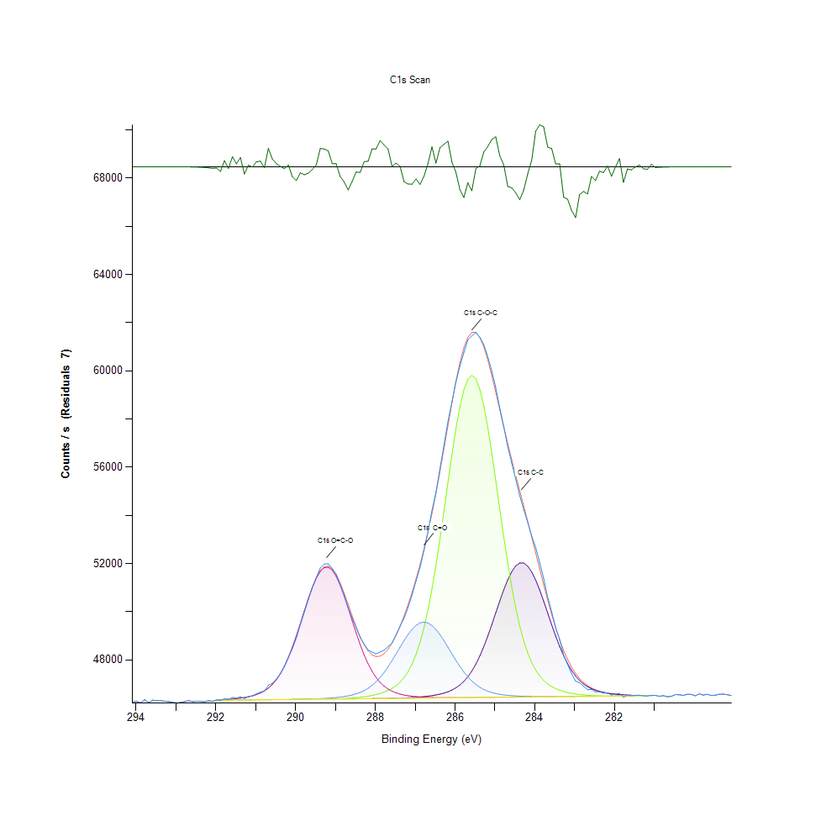
293.58 |  | 46330.5 |  | 46330.5 | 0 | 0 | 0 | 0 | -0.00217093 | 0
293.48 |  | 46304.8 |  | 46304.8 | 0 | 0 | 0 | 0 | -0.00464625 | 0
293.38 |  | 46313.3 |  | 46313.4 | 0 | 0 | 0 | 0 | -0.00965369 | 0
293.28 |  | 46282.3 |  | 46282.3 | 0 | 0 | 0 | 0 | -0.0194756 | 0
293.18 |  | 46270.5 |  | 46270.5 | 0 | 0 | 0 | 0 | -0.0381575 | 0
293.08 |  | 46240.5 |  | 46240.5 | 0 | 0 | 0 | 0 | -0.0726191 | 0
292.98 |  | 46201.8 |  | 46201.9 | 0 | 0 | 0 | 0 | -0.13428 | 0
292.88 |  | 46237.2 |  | 46237.4 | 0 | 0 | 0 | 0 | -0.241312 | 0
292.78 |  | 46265.7 |  | 46266.1 | 0 | 0 | 0 | 0 | -0.421594 | 0
292.68 |  | 46307.5 |  | 46308.2 | 0 | 0 | 0 | 0 | -0.71633 | 0
292.58 |  | 46267.7 |  | 46268.9 | 0 | 0 | 0 | 0 | -1.18418 | 0
292.48 |  | 46279.9 |  | 46281.8 | 0 | 0 | 0 | 0 | -1.90555 | 0
292.38 |  | 46274.6 |  | 46277.6 | 0 | 0 | 0 | 0 | -2.98653 | 0
292.28 |  | 46259.7 |  | 46264.3 | 0 | 0 | 0 | 0 | -4.56198 | 0
292.18 |  | 46300.7 |  | 46307.5 | 0 | 0 | 0 | 0 | -6.79711 | 0
292.08 |  | 46278.8 |  | 46288.7 | 0 | 0 | 0 | 0 | -9.88776 | 0
291.98 |  | 46328.4 |  | 46336.8 | 46322.8 | 46322.8 | 46322.8 | 46336.8 | -8.3956 | 46322.8
291.88 |  | 46314.6 |  | 46344 | 46324.5 | 46324.5 | 46324.5 | 46344 | -29.441 | 46324.5
291.78 |  | 46391.2 |  | 46352.9 | 46326.2 | 46326.2 | 46326.2 | 46352.9 | 38.3323 | 46326.2
291.68 |  | 46353.2 |  | 46363.7 | 46327.9 | 46327.9 | 46327.9 | 46363.7 | -10.5388 | 46327.9
291.58 |  | 46440.8 |  | 46376.9 | 46329.6 | 46329.6 | 46329.6 | 46376.9 | 63.872 | 46329.6
291.48 |  | 46411.3 |  | 46393.1 | 46331.4 | 46331.4 | 46331.4 | 46393.1 | 18.2478 | 46331.4
291.38 |  | 46470.8 |  | 46412.9 | 46333.1 | 46333.1 | 46333.1 | 46412.9 | 57.9554 | 46333.1
291.28 |  | 46391.9 |  | 46437.4 | 46334.8 | 46334.8 | 46334.8 | 46437.4 | -45.5001 | 46334.8
291.18 |  | 46478.4 |  | 46468.3 | 46336.5 | 46336.5 | 46336.5 | 46468.3 | 10.1241 | 46336.5
291.08 |  | 46506 |  | 46507.8 | 46338.3 | 46338.3 | 46338.3 | 46507.7 | -1.78594 | 46338.3
290.98 |  | 46590 |  | 46558.9 | 46340 | 46340 | 46340 | 46558.9 | 31.1173 | 46340
290.88 |  | 46661.3 |  | 46625.9 | 46341.7 | 46341.7 | 46341.8 | 46625.9 | 35.4215 | 46341.7
290.78 |  | 46708.2 |  | 46714.3 | 46343.4 | 46343.4 | 46343.5 | 46714.1 | -6.05229 | 46343.4
290.68 |  | 46946.3 |  | 46830.6 | 46345.1 | 46345.1 | 46345.4 | 46830.4 | 115.714 | 46345.1
290.58 |  | 47030.6 |  | 46982.4 | 46346.9 | 46346.9 | 46347.2 | 46982.1 | 48.1938 | 46346.9
290.48 |  | 47197.5 |  | 47178 | 46348.6 | 46348.6 | 46349.1 | 47177.4 | 19.5825 | 46348.6
290.38 |  | 47427.3 |  | 47424.8 | 46350.3 | 46350.3 | 46351.2 | 47424 | 2.44998 | 46350.3
290.28 |  | 47716.5 |  | 47729.1 | 46352 | 46352 | 46353.4 | 47727.8 | -12.653 | 46352
290.18 |  | 48105.3 |  | 48093.9 | 46353.8 | 46353.8 | 46355.8 | 48091.9 | 11.3609 | 46353.8
290.08 |  | 48455.2 |  | 48517.5 | 46355.5 | 46355.5 | 46358.4 | 48514.5 | -62.2809 | 46355.5
289.98 |  | 48905.4 |  | 48992.2 | 46357.2 | 46357.2 | 46361.4 | 48987.9 | -86.7797 | 46357.2
289.88 |  | 49465 |  | 49503.3 | 46358.9 | 46359 | 46364.8 | 49497.3 | -38.3877 | 46358.9
289.78 |  | 49979.2 |  | 50029.5 | 46360.6 | 46360.8 | 46368.8 | 50021.2 | -50.3489 | 46360.6
289.68 |  | 50503 |  | 50543.2 | 46362.4 | 46362.7 | 46373.4 | 50531.9 | -40.2815 | 46362.4
289.58 |  | 50995.6 |  | 51013.4 | 46364.1 | 46364.6 | 46378.8 | 50998.1 | -17.7122 | 46364.1
289.48 |  | 51419.5 |  | 51408.1 | 46365.8 | 46366.7 | 46385.1 | 51388 | 11.378 | 46365.8
289.38 |  | 51814 |  | 51699 | 46367.5 | 46369 | 46392.4 | 51672.6 | 115.074 | 46367.5
289.28 |  | 51975.6 |  | 51863.8 | 46369.3 | 46371.5 | 46401.1 | 51829.7 | 111.742 | 46369.3
289.18 |  | 51990 |  | 51890.6 | 46371 | 46374.6 | 46411.3 | 51846.7 | 99.3563 | 46371
289.08 |  | 51798.7 |  | 51778.6 | 46372.7 | 46378.2 | 46423.4 | 51722.4 | 20.1063 | 46372.7
288.98 |  | 51558.3 |  | 51538.9 | 46374.4 | 46382.7 | 46438.1 | 51466.9 | 19.4766 | 46374.4
288.88 |  | 51131.2 |  | 51192.8 | 46376.2 | 46388.3 | 46456 | 51100.8 | -61.569 | 46376.1
288.78 |  | 50674.7 |  | 50769.6 | 46377.9 | 46395.4 | 46478.3 | 50651.7 | -94.9305 | 46377.9
288.68 |  | 50156.8 |  | 50302.8 | 46379.6 | 46404.2 | 46506.5 | 50151.2 | -146.054 | 46379.6
288.58 |  | 49734.2 |  | 49826.4 | 46381.4 | 46415.3 | 46542.5 | 49631.1 | -92.2086 | 46381.3
288.48 |  | 49339 |  | 49372 | 46383.1 | 46429.1 | 46588.9 | 49120 | -33.0246 | 46383
288.38 |  | 48930.1 |  | 48966.2 | 46384.9 | 46446.2 | 46648.5 | 48640.9 | -36.0705 | 46384.8
288.28 |  | 48661 |  | 48629.2 | 46386.8 | 46467 | 46724.9 | 48210 | 31.8518 | 46386.5
288.18 |  | 48409.7 |  | 48374.6 | 46388.7 | 46492.3 | 46821.8 | 47836.4 | 35.1434 | 46388.2
288.08 |  | 48322.7 |  | 48209.9 | 46390.7 | 46523 | 46942.7 | 47523.3 | 112.771 | 46389.9
287.98 |  | 48249.7 |  | 48137.5 | 46392.9 | 46560.3 | 47091 | 47268.3 | 112.145 | 46391.6
287.88 |  | 48320 |  | 48155.7 | 46395.3 | 46605.7 | 47268.7 | 47066.1 | 164.319 | 46393.4
287.78 |  | 48396.8 |  | 48259.7 | 46398 | 46661.5 | 47476.3 | 46909.2 | 137.004 | 46395.1
287.68 |  | 48554.8 |  | 48443.3 | 46401.1 | 46731.1 | 47712.1 | 46789.4 | 111.482 | 46396.8
287.58 |  | 48701.1 |  | 48698.8 | 46404.8 | 46818.9 | 47971.4 | 46699.2 | 2.34586 | 46398.5
287.48 |  | 49040.8 |  | 49018 | 46409.1 | 46931.3 | 48246.7 | 46631.6 | 22.8566 | 46400.3
287.38 |  | 49396 |  | 49393.2 | 46414.3 | 47076.3 | 48527.6 | 46580.9 | 2.85581 | 46402
287.28 |  | 49723.7 |  | 49817.4 | 46420.5 | 47264.4 | 48800.9 | 46542.7 | -93.7294 | 46403.7
287.18 |  | 50177.3 |  | 50285.8 | 46428 | 47508.1 | 49052.3 | 46513.7 | -108.526 | 46405.4
287.08 |  | 50686.3 |  | 50795.9 | 46437 | 47822 | 49267 | 46491.4 | -109.605 | 46407.1
286.98 |  | 51270.8 |  | 51348.2 | 46447.7 | 48221.7 | 49431.4 | 46474.1 | -77.3712 | 46408.9
286.88 |  | 51835.7 |  | 51946.6 | 46460.4 | 48722.8 | 49534.5 | 46460.7 | -110.886 | 46410.6
286.78 |  | 52537.2 |  | 52597.3 | 46475.7 | 49339 | 49569.2 | 46450.4 | -60.1737 | 46412.3
286.68 |  | 53326.6 |  | 53307.3 | 46494 | 50079.5 | 49533.3 | 46442.5 | 19.2768 | 46414
286.58 |  | 54207.4 |  | 54082.1 | 46516.3 | 50947 | 49429.4 | 46436.7 | 125.262 | 46415.8
286.48 |  | 54946.1 |  | 54922.9 | 46543.6 | 51934.3 | 49264.8 | 46432.6 | 23.2448 | 46417.5
286.38 |  | 55943.2 |  | 55823.5 | 46577.5 | 53022.9 | 49050.7 | 46429.9 | 119.761 | 46419.2
286.28 |  | 56908.9 |  | 56768.3 | 46620.5 | 54181.3 | 48800.9 | 46428.3 | 140.613 | 46420.9
286.18 |  | 57891.8 |  | 57731 | 46675.5 | 55365.7 | 48530.1 | 46427.6 | 160.781 | 46422.6
286.08 |  | 58704.7 |  | 58675.3 | 46746.4 | 56521.7 | 48252.7 | 46427.6 | 29.3361 | 46424.4
285.98 |  | 59523.7 |  | 59557.7 | 46838 | 57588.1 | 47981.6 | 46428.2 | -33.9229 | 46426.1
285.88 |  | 60188.2 |  | 60331.2 | 46956.2 | 58502.2 | 47727 | 46429.1 | -142.963 | 46427.8
285.78 |  | 60758.3 |  | 60951.5 | 47107.3 | 59206.1 | 47496.5 | 46430.3 | -193.196 | 46429.5
285.68 |  | 61281.7 |  | 61382.4 | 47297.8 | 59652.4 | 47294.2 | 46431.7 | -100.633 | 46431.3
285.58 |  | 61449.7 |  | 61600.5 | 47533.9 | 59810.3 | 47121.9 | 46433.2 | -150.785 | 46433
285.48 |  | 61586.7 |  | 61599 | 47820.5 | 59668.8 | 46978.9 | 46434.9 | -12.2521 | 46434.7
285.38 |  | 61393.6 |  | 61388.2 | 48160 | 59237.8 | 46863.1 | 46436.5 | 5.37598 | 46436.4
285.28 |  | 61087 |  | 60994 | 48551.4 | 58547.7 | 46771.1 | 46438.2 | 92.9481 | 46438.1
285.18 |  | 60581.3 |  | 60453.8 | 48989.1 | 57645 | 46699.4 | 46439.9 | 127.474 | 46439.9
285.08 |  | 59982.1 |  | 59810.8 | 49462.5 | 56587.3 | 46644.1 | 46441.6 | 171.273 | 46441.6
284.98 |  | 59296.5 |  | 59108.2 | 49955.4 | 55437.4 | 46602 | 46443.3 | 188.281 | 46443.3
284.88 |  | 58451.8 |  | 58383.5 | 50447.1 | 54256.5 | 46570 | 46445 | 68.3268 | 46445
284.78 |  | 57675.7 |  | 57664.5 | 50912.9 | 53099.4 | 46545.7 | 46446.8 | 11.209 | 46446.8
284.68 |  | 56843.5 |  | 56967.4 | 51326.7 | 52010.5 | 46527.2 | 46448.5 | -123.938 | 46448.5
284.58 |  | 56165.1 |  | 56297.4 | 51663.1 | 51021.7 | 46512.9 | 46450.2 | -132.246 | 46450.2
284.48 |  | 55486.5 |  | 55650.5 | 51900.2 | 50152.3 | 46501.9 | 46451.9 | -164.03 | 46451.9
284.38 |  | 54810.5 |  | 55017.4 | 52021.7 | 49409.7 | 46493.3 | 46453.6 | -206.853 | 46453.6
284.28 |  | 54240.2 |  | 54386.8 | 52019.1 | 48791.7 | 46486.7 | 46455.4 | -146.597 | 46455.4
284.18 |  | 53705.2 |  | 53749.7 | 51892.9 | 48289.3 | 46481.6 | 46457.1 | -44.4125 | 46457.1
284.08 |  | 53142 |  | 53101.1 | 51652 | 47889 | 46477.8 | 46458.8 | 40.8669 | 46458.8
283.98 |  | 52666.2 |  | 52442.1 | 51313 | 47575.2 | 46475 | 46460.5 | 224.073 | 46460.5
283.88 |  | 52042.6 |  | 51779.1 | 50898.3 | 47332.2 | 46473.1 | 46462.3 | 263.551 | 46462.3
283.78 |  | 51373.7 |  | 51122.8 | 50433.4 | 47145.4 | 46472 | 46464 | 250.942 | 46464
283.68 |  | 50610.5 |  | 50486.7 | 49944.4 | 47002.2 | 46471.5 | 46465.7 | 123.831 | 46465.7
283.58 |  | 49998.3 |  | 49884.4 | 49455.6 | 46892.1 | 46471.5 | 46467.4 | 113.979 | 46467.4
283.48 |  | 49346.4 |  | 49328.1 | 48987.6 | 46806.7 | 46472 | 46469.1 | 18.3419 | 46469.1
283.38 |  | 48845.4 |  | 48827.2 | 48556.2 | 46739.9 | 46472.8 | 46470.9 | 18.158 | 46470.9
283.28 |  | 48195.8 |  | 48387.4 | 48171.7 | 46687 | 46473.9 | 46472.6 | -191.556 | 46472.6
283.18 |  | 47805.8 |  | 48010.4 | 47839.2 | 46644.6 | 46475.2 | 46474.3 | -204.532 | 46474.3
283.08 |  | 47419.3 |  | 47694.6 | 47559.6 | 46610.5 | 46476.6 | 46476 | -275.27 | 46476
282.98 |  | 47116.2 |  | 47435.7 | 47330.1 | 46583 | 46478.1 | 46477.8 | -319.46 | 46477.8
282.88 |  | 47052.6 |  | 47227.6 | 47145.9 | 46560.9 | 46479.7 | 46479.5 | -174.962 | 46479.5
282.78 |  | 46907.9 |  | 47063 | 47000.8 | 46543.3 | 46481.3 | 46481.2 | -155.116 | 46481.2
282.68 |  | 46763.5 |  | 46934.8 | 46888 | 46529.6 | 46483 | 46482.9 | -171.324 | 46482.9
282.58 |  | 46775.3 |  | 46835.9 | 46801.4 | 46519.1 | 46484.7 | 46484.6 | -60.6008 | 46484.6
282.48 |  | 46672.9 |  | 46760.2 | 46735.2 | 46511.4 | 46486.4 | 46486.4 | -87.2253 | 46486.4
282.38 |  | 46674.1 |  | 46702.3 | 46684.6 | 46505.9 | 46488.1 | 46488.1 | -28.2443 | 46488.1
282.28 |  | 46621.7 |  | 46658.1 | 46645.7 | 46502.2 | 46489.8 | 46489.8 | -36.4461 | 46489.8
282.18 |  | 46628.9 |  | 46624.1 | 46615.7 | 46500 | 46491.5 | 46491.5 | 4.80463 | 46491.5
282.08 |  | 46537.7 |  | 46597.9 | 46592.2 | 46498.9 | 46493.3 | 46493.3 | -60.1701 | 46493.3
281.98 |  | 46576.8 |  | 46577.4 | 46573.7 | 46498.6 | 46495 | 46495 | -0.605493 | 46495
281.88 |  | 46612.5 |  | 46561.4 | 46559.1 | 46499 | 46496.7 | 46496.7 | 51.1168 | 46496.7
281.78 |  | 46450.5 |  | 46548.9 | 46547.5 | 46499.9 | 46498.4 | 46498.4 | -98.4271 | 46498.4
281.68 |  | 46525.5 |  | 46539.2 | 46538.3 | 46501 | 46500.1 | 46500.1 | -13.6423 | 46500.1
281.58 |  | 46512 |  | 46531.7 | 46531.2 | 46502.4 | 46501.9 | 46501.9 | -19.6587 | 46501.9
281.48 |  | 46524.9 |  | 46526.1 | 46525.8 | 46503.9 | 46503.6 | 46503.6 | -1.19976 | 46503.6
281.38 |  | 46532.7 |  | 46522 | 46521.8 | 46505.5 | 46505.3 | 46505.3 | 10.6945 | 46505.3
281.28 |  | 46507.1 |  | 46519.2 | 46519.1 | 46507.1 | 46507 | 46507 | -12.044 | 46507
281.18 |  | 46501.3 |  | 46517.5 | 46517.4 | 46508.8 | 46508.8 | 46508.8 | -16.1218 | 46508.8
281.08 |  | 46531.7 |  | 46516.6 | 46516.6 | 46510.5 | 46510.5 | 46510.5 | 15.1615 | 46510.5
280.98 |  | 46525.1 |  | 46529.3 | 0 | 0 | 0 | 0 | -4.19856 | 0
280.88 |  | 46487.1 |  | 46489.9 | 0 | 0 | 0 | 0 | -2.82544 | 0
280.78 |  | 46514.4 |  | 46516.3 | 0 | 0 | 0 | 0 | -1.85984 | 0
280.68 |  | 46467.6 |  | 46468.8 | 0 | 0 | 0 | 0 | -1.19681 | 0
280.58 |  | 46488.2 |  | 46488.9 | 0 | 0 | 0 | 0 | -0.752531 | 0
280.48 |  | 46559 |  | 46559.4 | 0 | 0 | 0 | 0 | -0.462157 | 0
280.38 |  | 46555.5 |  | 46555.8 | 0 | 0 | 0 | 0 | -0.277119 | 0
280.28 |  | 46524.3 |  | 46524.5 | 0 | 0 | 0 | 0 | -0.162188 | 0
280.18 |  | 46573.7 |  | 46573.8 | 0 | 0 | 0 | 0 | -0.092625 | 0
280.08 |  | 46563 |  | 46563.1 | 0 | 0 | 0 | 0 | -0.0516051 | 0
279.98 |  | 46508.9 |  | 46509 | 0 | 0 | 0 | 0 | -0.0280427 | 0
279.88 |  | 46590.8 |  | 46590.8 | 0 | 0 | 0 | 0 | -0.0148603 | 0
279.78 |  | 46536.8 |  | 46536.8 | 0 | 0 | 0 | 0 | -0.007678 | 0
279.68 |  | 46572.7 |  | 46572.7 | 0 | 0 | 0 | 0 | -0.00386735 | 0
279.58 |  | 46523 |  | 46523 | 0 | 0 | 0 | 0 | -0.00189875 | 0
279.48 |  | 46533.1 |  | 46533.1 | 0 | 0 | 0 | 0 | -0.000908569 | 0
279.38 |  | 46573.3 |  | 46573.3 | 0 | 0 | 0 | 0 | -0.000423681 | 0
279.28 |  | 46575.5 |  | 46575.5 | 0 | 0 | 0 | 0 | -0.000192516 | 0
279.18 |  | 46553.9 |  | 46553.9 | 0 | 0 | 0 | 0 | -8.52E-05 | 0
279.08 |  | 46522.6 |  | 46522.6 | 0 | 0 | 0 | 0 | -3.68E-05 | 0

Au4f Scan
 |  |  |  |  |  |  | Acquisition Parameters : |  | Experiment Descriptions :

 |  |  |  |  |  |  | Parameter |  | Experiment_2\X-Ray004 400um - FG OFF\D P-COOH NoB
 |  |  |  |  |  |  | Total acquisition time | 10.1 secs
 |  |  |  |  |  |  | Number of Scans | 1
﻿ |  |  |  |  |  |  | Source Gun Type | Al K Alpha
Axis | Energy | Elements= | 201 |  |  |  | Spot Size | 400 µm
 |  |  |  |  |  |  | Lens Mode | Standard
C:\Users\gwilh\OneDrive - Imperial College London\Documents\MEGAsync\Experiment\24c22_Lin_ShiYang\D P-COOH NoB.DATA\Au4f Scan_0.VGD |  |  |  |  |  |  | Analyser Mode | CAE : Pass Energy 35.0 eV
 |  |  |  |  |  |  | Energy Step Size | 0.100 eV
 |  |  |  |  |  |  | Number of Energy Steps | 201

Binding Energy (E) |  |  |  | Fitted envelope | Fitted Peak Au4f7 Scan A | Fitted Peak Au4f5 Scan A | Residuals | Backgnd.
eV |  | Counts / s |  | Counts / s | Counts / s | Counts / s | Counts / s (Residuals 4) | Counts / s
99.08 |  | 64186.6 |  | 64186.6 | 0 | 0 | 0 | 0
98.98 |  | 63666.8 |  | 63666.8 | 0 | 0 | 0 | 0
98.88 |  | 63876.1 |  | 63876.1 | 0 | 0 | 0 | 0
98.78 |  | 64119.2 |  | 64119.2 | 0 | 0 | 0 | 0
98.68 |  | 63909.7 |  | 63909.7 | 0 | 0 | 0 | 0
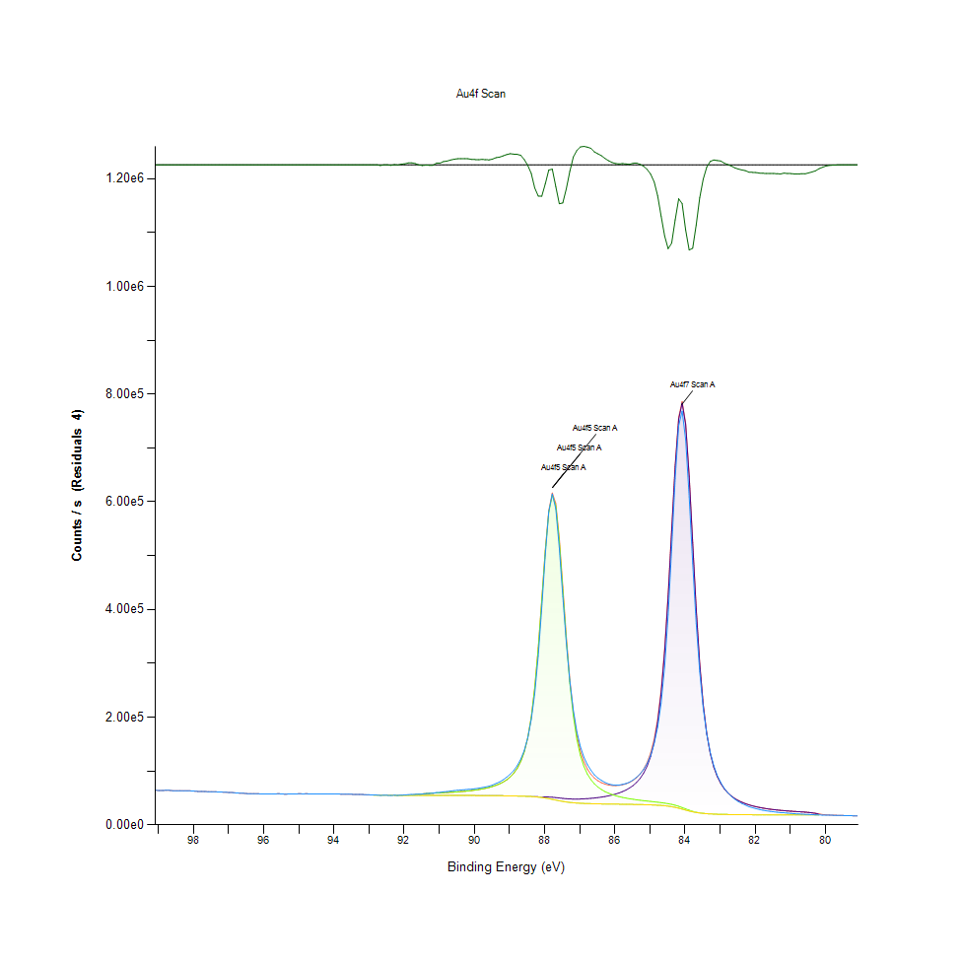
98.58 |  | 63275 |  | 63275 | 0 | 0 | 0 | 0
98.48 |  | 63179.9 |  | 63179.9 | 0 | 0 | 0 | 0
98.38 |  | 63421.5 |  | 63421.5 | 0 | 0 | 0 | 0
98.28 |  | 63024.2 |  | 63024.2 | 0 | 0 | 0 | 0
98.18 |  | 62984.7 |  | 62984.7 | 0 | 0 | 0 | 0
98.08 |  | 63046.3 |  | 63046.3 | 0 | 0 | 0 | 0
97.98 |  | 62605.8 |  | 62605.8 | 0 | 0 | 0 | 0
97.88 |  | 62010.7 |  | 62010.7 | 0 | 0 | 0 | 0
97.78 |  | 62138.9 |  | 62138.9 | 0 | 0 | 0 | 0
97.68 |  | 61726.4 |  | 61726.4 | 0 | 0 | 0 | 0
97.58 |  | 61534 |  | 61534 | 0 | 0 | 0 | 0
97.48 |  | 61463.5 |  | 61463.5 | 0 | 0 | 0 | 0
97.38 |  | 61489.7 |  | 61489.7 | 0 | 0 | 0 | 0
97.28 |  | 60891 |  | 60891 | 0 | 0 | 0 | 0
97.18 |  | 60786.5 |  | 60786.5 | 0 | 0 | 0 | 0
97.08 |  | 60493.3 |  | 60493.3 | 0 | 0 | 0 | 0
96.98 |  | 59995.4 |  | 59995.4 | 0 | 0 | 0 | 0
96.88 |  | 59890.5 |  | 59890.5 | 0 | 0 | 0 | 0
96.78 |  | 59155.7 |  | 59155.7 | 0 | 0 | 0 | 0
96.68 |  | 58784.4 |  | 58784.4 | 0 | 0 | 0 | 0
96.58 |  | 58587 |  | 58587 | 0 | 0 | 0 | 0
96.48 |  | 58025.2 |  | 58025.2 | 0 | 0 | 0 | 0
96.38 |  | 57935.7 |  | 57935.7 | 0 | 0 | 0 | 0
96.28 |  | 57881.8 |  | 57881.8 | 0 | 0 | 0 | 0
96.18 |  | 57610.8 |  | 57610.8 | 0 | 0 | 0 | 0
96.08 |  | 57434.2 |  | 57434.2 | 0 | 0 | 0 | 0
95.98 |  | 57302.2 |  | 57302.2 | 0 | 0 | 0 | 0
95.88 |  | 57217.7 |  | 57217.7 | 0 | 0 | 0 | 0
95.78 |  | 57567.2 |  | 57567.2 | 0 | 0 | 0 | 0
95.68 |  | 57354.5 |  | 57354.5 | 0 | 0 | 0 | 0
95.58 |  | 57797.7 |  | 57797.7 | 0 | 0 | 0 | 0
95.48 |  | 57233.2 |  | 57233.2 | 0 | 0 | 0 | 0
95.38 |  | 56994.7 |  | 56994.7 | 0 | 0 | 0 | 0
95.28 |  | 57243.1 |  | 57243.1 | 0 | 0 | 0 | 0
95.18 |  | 57551.7 |  | 57551.7 | 0 | 0 | 0 | 0
95.08 |  | 57484.6 |  | 57484.6 | 0 | 0 | 0 | 0
94.98 |  | 57630.1 |  | 57630.1 | 0 | 0 | 0 | 0
94.88 |  | 57471.7 |  | 57471.7 | 0 | 0 | 0 | 0
94.78 |  | 57621.7 |  | 57621.7 | 0 | 0 | 0 | 0
94.68 |  | 57349.8 |  | 57349.8 | 0 | 0 | 0 | 0
94.58 |  | 57523.7 |  | 57523.7 | 0 | 0 | 0 | 0
94.48 |  | 57119.7 |  | 57119.7 | 0 | 0 | 0 | 0
94.38 |  | 57283.9 |  | 57283.9 | 0 | 0 | 0 | 0
94.28 |  | 57586 |  | 57586 | 0 | 0 | 0 | 0
94.18 |  | 57245.8 |  | 57245.8 | 0 | 0 | 0 | 0
94.08 |  | 57332.1 |  | 57332.1 | 0 | 0 | 0 | 0
93.98 |  | 57311.2 |  | 57311.2 | 0 | 0 | 0 | 0
93.88 |  | 57342.8 |  | 57342.8 | 0 | 0 | 0 | 0
93.78 |  | 56903.3 |  | 56903.3 | 0 | 0 | 0 | 0
93.68 |  | 56974.3 |  | 56974.3 | 0 | 0 | 0 | 0
93.58 |  | 57059.3 |  | 57059.3 | 0 | 0 | 0 | 0
93.48 |  | 56688.6 |  | 56688.6 | 0 | 0 | 0 | 0
93.38 |  | 56561.8 |  | 56561.8 | 0 | 0 | 0 | 0
93.28 |  | 56379.6 |  | 56379.6 | 0 | 0 | 0 | 0
93.18 |  | 56345.5 |  | 56345.5 | 0 | 0 | 0 | 0
93.08 |  | 55724.5 |  | 55724.5 | 0 | 0 | -3.81E-09 | 0
92.98 |  | 55669.9 |  | 55642.7 | 55642.7 | 55642.7 | 27.1382 | 55642.7
92.88 |  | 55246.1 |  | 55210.5 | 55210.5 | 55210.5 | 35.5575 | 55210.5
92.78 |  | 55227.8 |  | 55141.2 | 55141.2 | 55141.2 | 86.5942 | 55141.2
92.68 |  | 54698.3 |  | 54967.4 | 54967.4 | 54967.4 | -269.052 | 54967.4
92.58 |  | 54863.8 |  | 54830.4 | 54830.4 | 54830.4 | 33.4367 | 54830.4
92.48 |  | 54800.9 |  | 54760.2 | 54760.1 | 54760.2 | 40.7026 | 54760.1
92.38 |  | 54561.2 |  | 54754.8 | 54754.3 | 54754.8 | -193.587 | 54754.3
92.28 |  | 54876.4 |  | 54751 | 54748.5 | 54751 | 125.409 | 54748.5
92.18 |  | 54713.6 |  | 54754.2 | 54742.4 | 54754.2 | -40.6303 | 54742.4
92.08 |  | 55134.1 |  | 54781.1 | 54736 | 54781.1 | 352.945 | 54736
91.98 |  | 55403.5 |  | 54869.4 | 54728.7 | 54869.4 | 534.092 | 54728.7
91.88 |  | 56009.5 |  | 55080.6 | 54720.5 | 55080.6 | 928.913 | 54720.5
91.78 |  | 56424.8 |  | 55475.3 | 54711.3 | 55475.3 | 949.523 | 54711.3
91.68 |  | 56674.2 |  | 56063.8 | 54701.1 | 56063.8 | 610.379 | 54701.1
91.58 |  | 56757.3 |  | 56772 | 54689.9 | 56772 | -14.665 | 54689.9
91.48 |  | 57198.8 |  | 57471.1 | 54677.5 | 57471.1 | -272.229 | 54677.5
91.38 |  | 58021.3 |  | 58055.5 | 54664.1 | 58055.5 | -34.1791 | 54664.1
91.28 |  | 58336.1 |  | 58497 | 54649.5 | 58497 | -160.823 | 54649.5
91.18 |  | 58674.2 |  | 58832.4 | 54633.1 | 58832.4 | -158.203 | 54633.1
91.08 |  | 59959.3 |  | 59119 | 54615.1 | 59119 | 840.371 | 54615.1
90.98 |  | 60217.5 |  | 59399.4 | 54595.2 | 59399.4 | 818.174 | 54595.2
90.88 |  | 61274.6 |  | 59696.6 | 54573.4 | 59696.6 | 1577.91 | 54573.4
90.78 |  | 61831.3 |  | 60021.6 | 54549.4 | 60021.6 | 1809.68 | 54549.4
90.68 |  | 62660.6 |  | 60380.9 | 54523.5 | 60380.9 | 2279.67 | 54523.5
90.58 |  | 63445 |  | 60780.3 | 54495.3 | 60780.3 | 2664.69 | 54495.3
90.48 |  | 64132.2 |  | 61226.6 | 54465.3 | 61226.6 | 2905.63 | 54465.3
90.38 |  | 64636.5 |  | 61727.3 | 54433.3 | 61727.3 | 2909.19 | 54433.3
90.28 |  | 65255.6 |  | 62292.1 | 54399.5 | 62292.1 | 2963.57 | 54399.5
90.18 |  | 65837.4 |  | 62932.3 | 54364.1 | 62932.3 | 2905.07 | 54364.1
90.08 |  | 66233.7 |  | 63662 | 54327.1 | 63662 | 2571.62 | 54327.1
89.98 |  | 67007.2 |  | 64498.1 | 54288.1 | 64498.1 | 2509.04 | 54288.1
89.88 |  | 67914.2 |  | 65461.8 | 54247 | 65461.8 | 2452.42 | 54247
89.78 |  | 69152.1 |  | 66579.8 | 54203.4 | 66579.8 | 2572.23 | 54203.4
89.68 |  | 70337.6 |  | 67886.4 | 54156.6 | 67886.4 | 2451.11 | 54156.6
89.58 |  | 71784.7 |  | 69425.7 | 54106 | 69425.7 | 2358.93 | 54106
89.48 |  | 73998 |  | 71255.7 | 54050.5 | 71255.7 | 2742.31 | 54050.5
89.38 |  | 76867.7 |  | 73454.2 | 53989.1 | 73454.2 | 3413.47 | 53989.1
89.28 |  | 79788 |  | 76127 | 53920.5 | 76127 | 3661 | 53920.5
89.18 |  | 83676.3 |  | 79421.3 | 53842.9 | 79421.3 | 4254.97 | 53842.9
89.08 |  | 88393.9 |  | 83547 | 53754.4 | 83547 | 4846.84 | 53754.4
88.98 |  | 94078.8 |  | 88811.9 | 53653 | 88811.9 | 5266.94 | 53653
88.88 |  | 100743 |  | 95679 | 53535.4 | 95679 | 5063.87 | 53535.4
88.78 |  | 109794 |  | 104868 | 53397.3 | 104868 | 4926.26 | 53397.2
88.68 |  | 122022 |  | 117523 | 53233.1 | 117522 | 4498.96 | 53232.3
88.58 |  | 137978 |  | 135475 | 53035.9 | 135470 | 2503.19 | 53031.3
88.48 |  | 161335 |  | 161551 | 52800.2 | 161531 | -216.374 | 52779.5
88.38 |  | 195708 |  | 199708 | 52532.2 | 199632 | -4000.11 | 52456.1
88.28 |  | 243587 |  | 254357 | 52258.7 | 254129 | -10770.4 | 52030.4
88.18 |  | 313523 |  | 328073 | 52026.2 | 327510 | -14549.4 | 51463.3
88.08 |  | 402896 |  | 417554 | 51868.3 | 416400 | -14658 | 50714.8
87.98 |  | 501040 |  | 509938 | 51753.9 | 507944 | -8897.98 | 49760.1
87.88 |  | 581245 |  | 583654 | 51571.4 | 580689 | -2408.6 | 48606.6
87.78 |  | 614505 |  | 616460 | 51197.8 | 612568 | -1955.51 | 47305.3
87.68 |  | 587022 |  | 597126 | 50594.7 | 592473 | -10103.4 | 45942
87.58 |  | 514016 |  | 532143 | 49844.5 | 526914 | -18127.3 | 44616.1
87.48 |  | 424040 |  | 441792 | 49095.6 | 436112 | -17751.6 | 43416.1
87.38 |  | 337845 |  | 348953 | 48478.5 | 342872 | -11108 | 42397.5
87.28 |  | 266408 |  | 269384 | 48059.3 | 262899 | -2975.45 | 41574.9
87.18 |  | 212608 |  | 208889 | 47847.7 | 201972 | 3719.32 | 40931
87.08 |  | 172894 |  | 166143 | 47823.8 | 158753 | 6750.27 | 40433.3
86.98 |  | 145374 |  | 136947 | 47961.2 | 129032 | 8426.96 | 40046.6
86.88 |  | 125733 |  | 117076 | 48237.4 | 108580 | 8656.96 | 39741
86.78 |  | 111692 |  | 103358 | 48638.5 | 94212.9 | 8334.23 | 39493.6
86.68 |  | 101451 |  | 93693.3 | 49159 | 83822.2 | 7757.42 | 39287.9
86.58 |  | 92845.6 |  | 86768 | 49800.3 | 76080.4 | 6077.64 | 39112.7
86.48 |  | 86973.1 |  | 81764.8 | 50570.2 | 70154.5 | 5208.29 | 38960
86.38 |  | 82465.6 |  | 78170.2 | 51482.6 | 65511.9 | 4295.39 | 38824.3
86.28 |  | 78705.5 |  | 75657.2 | 52557.6 | 61801.4 | 3048.24 | 38701.8
86.18 |  | 75986.6 |  | 74016.6 | 53821.4 | 58784 | 1970.02 | 38588.7
86.08 |  | 74268.1 |  | 73119.2 | 55309.3 | 56292.5 | 1148.9 | 38482.6
85.98 |  | 73547.6 |  | 72893.7 | 57067.3 | 54207.1 | 653.937 | 38380.7
85.88 |  | 73775.3 |  | 73314.5 | 59155.9 | 52439.1 | 460.755 | 38280.5
85.78 |  | 75004.3 |  | 74398.5 | 61655.9 | 50922.3 | 605.726 | 38179.7
85.68 |  | 76674.3 |  | 76206.2 | 64676.2 | 49606 | 468.099 | 38076
85.58 |  | 79124.7 |  | 78849.8 | 68366.4 | 48450.3 | 274.876 | 37967
85.48 |  | 83263.2 |  | 82509.5 | 72935.9 | 47423.5 | 753.66 | 37849.9
85.38 |  | 88346.8 |  | 87463.2 | 78685.4 | 46500 | 883.599 | 37722.2
85.28 |  | 94405 |  | 94134.6 | 86057 | 45658 | 270.425 | 37580.5
85.18 |  | 102556 |  | 103180 | 95721.5 | 44878.3 | -623.605 | 37420.1
85.08 |  | 113579 |  | 115634 | 108726 | 44142.9 | -2054.92 | 37235.2
84.98 |  | 128864 |  | 133158 | 126742 | 43432.9 | -4293.74 | 37016.8
84.88 |  | 150563 |  | 158404 | 152429 | 42727.3 | -7841.19 | 36752
84.78 |  | 181071 |  | 195416 | 189838 | 41999.7 | -14345 | 36421.2
84.68 |  | 225721 |  | 249658 | 244438 | 41214 | -23936.8 | 35994.3
84.58 |  | 293526 |  | 326770 | 321877 | 40321 | -33243.6 | 35428
84.48 |  | 389840 |  | 429013 | 424424 | 39257.2 | -39173.4 | 34668.3
84.38 |  | 513122 |  | 549707 | 545418 | 37950.7 | -36585.4 | 33661.6
84.28 |  | 643414 |  | 669095 | 665139 | 36335.6 | -25681.1 | 32379.3
84.18 |  | 741443 |  | 757262 | 753726 | 34378 | -15818.3 | 30842.3
84.08 |  | 768315 |  | 786382 | 783403 | 32108.2 | -18066.5 | 29129.1
83.98 |  | 715443 |  | 745882 | 743590 | 29653.2 | -30439.2 | 27360.8
83.88 |  | 609102 |  | 648888 | 647327 | 27233.6 | -39786.5 | 25672
83.78 |  | 485451 |  | 524413 | 523495 | 25091.1 | -38961.9 | 24174
83.68 |  | 373780 |  | 401897 | 401442 | 23383.8 | -28116.7 | 22928.8
83.58 |  | 284323 |  | 299736 | 299548 | 22132.7 | -15412.8 | 21944.9
83.48 |  | 216687 |  | 223322 | 223259 | 21255.9 | -6635.42 | 21192.1
83.38 |  | 168587 |  | 169657 | 169640 | 20641.1 | -1070.13 | 20623.4
83.28 |  | 134497 |  | 132863 | 132859 | 20197.2 | 1633.13 | 20193.2
83.18 |  | 109822 |  | 107498 | 107497 | 19864.8 | 2323.63 | 19864.1
83.08 |  | 91646.9 |  | 89604.6 | 89604.5 | 19607.5 | 2042.35 | 19607.4
82.98 |  | 78420 |  | 76605.5 | 76605.4 | 19403.6 | 1814.51 | 19403.6
82.88 |  | 67722.1 |  | 66883.6 | 66883.6 | 19239 | 838.518 | 19239
82.78 |  | 59588.1 |  | 59422.4 | 59422.4 | 19104 | 165.773 | 19104
82.68 |  | 53066 |  | 53568 | 53568 | 18992.1 | -501.946 | 18992.1
82.58 |  | 47524.9 |  | 48887.3 | 48887.3 | 18898.7 | -1362.36 | 18898.7
82.48 |  | 43174.3 |  | 45084.2 | 45084.2 | 18819.9 | -1909.94 | 18819.9
82.38 |  | 39588.4 |  | 41951 | 41951 | 18753 | -2362.61 | 18753
82.28 |  | 36682.7 |  | 39338.6 | 39338.6 | 18696.2 | -2655.85 | 18696.2
82.18 |  | 33743 |  | 37137 | 37137 | 18647.7 | -3394.06 | 18647.7
82.08 |  | 31788.5 |  | 35264.2 | 35264.2 | 18605.9 | -3475.64 | 18605.9
81.98 |  | 30093.6 |  | 33657.6 | 33657.6 | 18570 | -3563.94 | 18570
81.88 |  | 28453 |  | 32269 | 32269 | 18539 | -3816.02 | 18539
81.78 |  | 27154.9 |  | 31060.5 | 31060.5 | 18512 | -3905.6 | 18512
81.68 |  | 26016.2 |  | 30002.4 | 30002.4 | 18488.5 | -3986.19 | 18488.5
81.58 |  | 25059.3 |  | 29070.6 | 29070.6 | 18468.1 | -4011.28 | 18468.1
81.48 |  | 24235.3 |  | 28245.8 | 28245.8 | 18450.3 | -4010.51 | 18450.3
81.38 |  | 23442.8 |  | 27512.4 | 27512.4 | 18434.8 | -4069.55 | 18434.8
81.28 |  | 22637.8 |  | 26857.2 | 26857.2 | 18421.2 | -4219.43 | 18421.2
81.18 |  | 22453.6 |  | 26269.6 | 26269.6 | 18409.3 | -3816 | 18409.3
81.08 |  | 21728.5 |  | 25740.6 | 25740.6 | 18399 | -4012.15 | 18399
80.98 |  | 21204.5 |  | 25262.4 | 25262.4 | 18390.2 | -4057.84 | 18390.2
80.88 |  | 20588.2 |  | 24826.1 | 24826.1 | 18382.6 | -4237.93 | 18382.6
80.78 |  | 20208.7 |  | 24418.2 | 24418.2 | 18376.4 | -4209.49 | 18376.4
80.68 |  | 19876.5 |  | 24009.7 | 24009.7 | 18371.4 | -4133.16 | 18371.4
80.58 |  | 19387.5 |  | 23545.7 | 23545.7 | 18367.5 | -4158.22 | 18367.5
80.48 |  | 19204.7 |  | 22950.7 | 22950.7 | 18364.4 | -3746.05 | 18364.4
80.38 |  | 18891.5 |  | 22169.3 | 22169.3 | 18362.3 | -3277.85 | 18362.3
80.28 |  | 18483.4 |  | 21228.7 | 21228.7 | 18360.6 | -2745.3 | 18360.6
80.18 |  | 18503.2 |  | 20261.5 | 20261.5 | 18359.3 | -1758.36 | 18359.3
80.08 |  | 17962.1 |  | 19045.2 | 0 | 0 | -1083.08 | 0
79.98 |  | 17956.2 |  | 18475.4 | 0 | 0 | -519.195 | 0
79.88 |  | 17953.6 |  | 18160.1 | 0 | 0 | -206.579 | 0
79.78 |  | 17725.6 |  | 17793.1 | 0 | 0 | -67.5257 | 0
79.68 |  | 17654.8 |  | 17672.8 | 0 | 0 | -18.0001 | 0
79.58 |  | 17398.9 |  | 17402.8 | 0 | 0 | -3.89212 | 0
79.48 |  | 17277.8 |  | 17278.5 | 0 | 0 | -0.680016 | 0
79.38 |  | 16954.8 |  | 16954.9 | 0 | 0 | -0.0957252 | 0
79.28 |  | 16880.8 |  | 16880.9 | 0 | 0 | -0.0108337 | 0
79.18 |  | 16683.5 |  | 16683.5 | 0 | 0 | -0.000984173 | 0
79.08 |  | 16727.1 |  | 16727.1 | 0 | 0 | -7.17E-05 | 0

